Analysis1
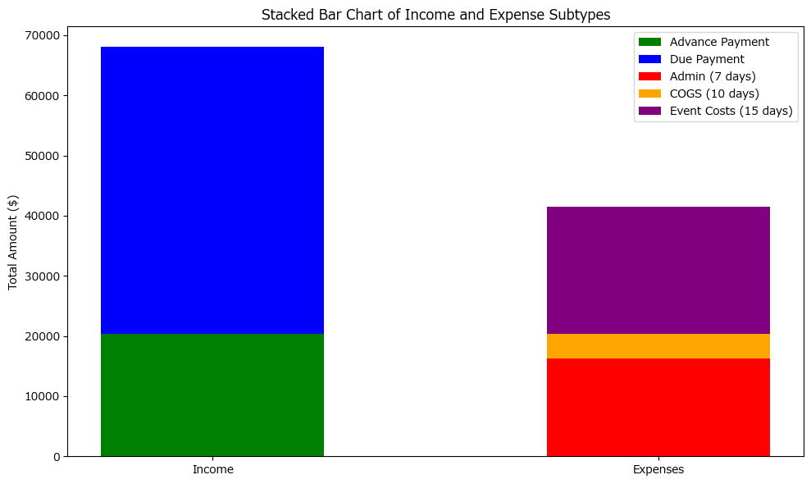
Analysis Sheet
This sheet will include all the Python formulas generated by Copilot.

Load data from Transactions, A1:I151

Preview
 | Date | Item | Type | Subtype | Quantity | Per Unit Price | Total Price | Client Name | Client City
0 | 45778 | Travel and Entertainment | Expense | Administrative | 0 | 0 | 139 | N/A | N/A
1 | 45778 | Birthday | Income | Service | 0 | 0 | 2700 | John Smith | Frederick
2 | 45778 | Travel and Entertainment | Expense | Administrative | 0 | 0 | 1050 | N/A | N/A
3 | 45778 | Vendor Payment - Flowers | Expense | Event cost | 0 | 0 | 338 | AAA Party Rentals | N/A
4 | 45778 | Balloons | Income | Product | 40 | 2 | 80 | John Smith | Towson
... | ... | ... | ... | ... | ... | ... | ... | ... | ...
145 | 45807 | Balloons | Income | Product | 25 | 2 | 50 | Emily Clark | Baltimore
146 | 45807 | Curtains | Income | Product | 8 | 25 | 200 | Michael Lee | Annapolis
147 | 45807 | Vendor Payment - Flowers | Expense | Event cost | 0 | 0 | 1328 | AAA Party Rentals | N/A
148 | 45807 | Vendor Payment - Catering | Expense | Event cost | 0 | 0 | 351 | Better Catering | N/A
149 | 45807 | Lights | Income | Product | 4 | 93 | 372 | James Wilson | Towson

Separate income from products and services

Preview
<DataFrame>
<DataFrame>

Display income from products

Preview
 | Date | Item | Type | Subtype | Quantity | Per Unit Price | Total Price | Client Name | Client City
4 | 45778 | Balloons | Income | Product | 40 | 2 | 80 | John Smith | Towson
11 | 45779 | Chairs | Income | Product | 20 | 10 | 200 | James Wilson | Annapolis
17 | 45781 | Decoration pieces | Income | Product | 20 | 89 | 1780 | David Kim | Towson
20 | 45781 | Balloons | Income | Product | 80 | 2 | 160 | James Wilson | Towson
24 | 45782 | Tables | Income | Product | 4 | 60 | 240 | Sarah Johnson | Towson
... | ... | ... | ... | ... | ... | ... | ... | ... | ...
142 | 45806 | Tables | Income | Product | 1 | 64 | 64 | Sarah Johnson | Rockville
143 | 45806 | Flowers | Income | Product | 30 | 42 | 1260 | David Kim | Annapolis
145 | 45807 | Balloons | Income | Product | 25 | 2 | 50 | Emily Clark | Baltimore
146 | 45807 | Curtains | Income | Product | 8 | 25 | 200 | Michael Lee | Annapolis
149 | 45807 | Lights | Income | Product | 4 | 93 | 372 | James Wilson | Towson

Display income from services

Preview
 | Date | Item | Type | Subtype | Quantity | Per Unit Price | Total Price | Client Name | Client City
1 | 45778 | Birthday | Income | Service | 0 | 0 | 2700 | John Smith | Frederick
5 | 45778 | Corporate Event | Income | Service | 0 | 0 | 805 | Michael Lee | Towson
8 | 45779 | Birthday | Income | Service | 0 | 0 | 1416 | Emma Davis | Annapolis
9 | 45779 | Birthday | Income | Service | 0 | 0 | 2050 | David Kim | Baltimore
12 | 45780 | Birthday | Income | Service | 0 | 0 | 1166 | Emma Davis | Annapolis
... | ... | ... | ... | ... | ... | ... | ... | ... | ...
135 | 45804 | Corporate Event | Income | Service | 0 | 0 | 1367 | Emma Davis | Baltimore
136 | 45804 | Wedding | Income | Service | 0 | 0 | 1633 | John Smith | Baltimore
137 | 45804 | Anniversary | Income | Service | 0 | 0 | 1461 | David Kim | Rockville
138 | 45805 | Baby Shower | Income | Service | 0 | 0 | 2559 | John Smith | Annapolis
141 | 45806 | Corporate Event | Income | Service | 0 | 0 | 886 | James Wilson | Annapolis

Receivable schedule for services table

Preview
 | Date | Item | Type | Subtype | Quantity | ... | Client Name | Client City | Advance Payment | Due Payment | Due Payment Date
1 | 45778 | Birthday | Income | Service | 0 | ... | John Smith | Frederick | 810 | 1890 | 45788
5 | 45778 | Corporate Event | Income | Service | 0 | ... | Michael Lee | Towson | 241.5 | 563.5 | 45788
8 | 45779 | Birthday | Income | Service | 0 | ... | Emma Davis | Annapolis | 424.8 | 991.2 | 45789
9 | 45779 | Birthday | Income | Service | 0 | ... | David Kim | Baltimore | 615 | 1435 | 45789
12 | 45780 | Birthday | Income | Service | 0 | ... | Emma Davis | Annapolis | 349.8 | 816.2 | 45790
... | ... | ... | ... | ... | ... | ... | ... | ... | ... | ... | ...
135 | 45804 | Corporate Event | Income | Service | 0 | ... | Emma Davis | Baltimore | 410.1 | 956.9 | 45814
136 | 45804 | Wedding | Income | Service | 0 | ... | John Smith | Baltimore | 489.9 | 1143.1 | 45814
137 | 45804 | Anniversary | Income | Service | 0 | ... | David Kim | Rockville | 438.3 | 1022.7 | 45814
138 | 45805 | Baby Shower | Income | Service | 0 | ... | John Smith | Annapolis | 767.7 | 1791.3 | 45815
141 | 45806 | Corporate Event | Income | Service | 0 | ... | James Wilson | Annapolis | 265.8 | 620.2 | 45816

Calculate total sum of advance payment and payment due

Preview
20411.4
47626.6

Separate expenses into Event Costs, Administrative, and COGS

Preview
<DataFrame>
<DataFrame>
<DataFrame>

Display expenses for Event Costs

Preview
 | Date | Item | Type | Subtype | Quantity | Per Unit Price | Total Price | Client Name | Client City
3 | 45778 | Vendor Payment - Flowers | Expense | Event cost | 0 | 0 | 338 | AAA Party Rentals | N/A
7 | 45778 | Transportation Cost | Expense | Event cost | 0 | 0 | 219 | N/A | N/A
10 | 45779 | Vendor Payment - Flowers | Expense | Event cost | 0 | 0 | 93 | AAA Party Rentals | N/A
15 | 45780 | Vendor Payment - Catering | Expense | Event cost | 0 | 0 | 402 | Better Catering | N/A
19 | 45781 | Vendor Payment - Catering | Expense | Event cost | 0 | 0 | 1136 | N/A | N/A
... | ... | ... | ... | ... | ... | ... | ... | ... | ...
127 | 45801 | Transportation Cost | Expense | Event cost | 0 | 0 | 792 | N/A | N/A
132 | 45804 | Vendor Payment - Flowers | Expense | Event cost | 0 | 0 | 1483 | All Flower Inc. | N/A
140 | 45806 | Venue Rental | Expense | Event cost | 0 | 0 | 655 | N/A | N/A
147 | 45807 | Vendor Payment - Flowers | Expense | Event cost | 0 | 0 | 1328 | AAA Party Rentals | N/A
148 | 45807 | Vendor Payment - Catering | Expense | Event cost | 0 | 0 | 351 | Better Catering | N/A

Display expenses for Administrative

Preview
 | Date | Item | Type | Subtype | Quantity | Per Unit Price | Total Price | Client Name | Client City
0 | 45778 | Travel and Entertainment | Expense | Administrative | 0 | 0 | 139 | N/A | N/A
2 | 45778 | Travel and Entertainment | Expense | Administrative | 0 | 0 | 1050 | N/A | N/A
6 | 45778 | Salary Payment | Expense | Administrative | 0 | 0 | 638 | N/A | N/A
14 | 45780 | Travel and Entertainment | Expense | Administrative | 0 | 0 | 955 | N/A | N/A
16 | 45780 | Utility Bill- Electricity Office | Expense | Administrative | 0 | 0 | 375 | N/A | N/A
... | ... | ... | ... | ... | ... | ... | ... | ... | ...
110 | 45799 | Utility Bill- Electricity Warehouse | Expense | Administrative | 0 | 0 | 824 | N/A | N/A
116 | 45800 | Utility Bill- Office | Expense | Administrative | 0 | 0 | 699 | N/A | N/A
119 | 45800 | Travel and Entertainment | Expense | Administrative | 0 | 0 | 1209 | N/A | N/A
125 | 45801 | Software Subscription | Expense | Administrative | 0 | 0 | 919 | N/A | N/A
128 | 45801 | Travel and Entertainment | Expense | Administrative | 0 | 0 | 535 | N/A | N/A

Display expenses for COGS

Preview
 | Date | Item | Type | Subtype | Quantity | Per Unit Price | Total Price | Client Name | Client City
22 | 45781 | Purchase of fabric | Expense | COGS | 20 | 5 | 100 | N/A | N/A
28 | 45782 | Purchase of Cutlery | Expense | COGS | 100 | 5 | 500 | N/A | N/A
34 | 45783 | Purchase of Wood | Expense | COGS | 10 | 8 | 80 | N/A | N/A
87 | 45795 | Purchase of chairs | Expense | COGS | 40 | 12 | 480 | N/A | N/A
90 | 45795 | Purchase of fabric | Expense | COGS | 50 | 3 | 150 | N/A | N/A
112 | 45799 | Purchase of décor items | Expense | COGS | 50 | 12 | 600 | N/A | N/A
120 | 45800 | Purchase of décor items | Expense | COGS | 50 | 10 | 500 | N/A | N/A
122 | 45800 | Purchase of steps | Expense | COGS | 20 | 5 | 100 | N/A | N/A
144 | 45806 | Purchase-balloons | Expense | COGS | 1000 | 1.5 | 1500 | N/A | N/A

Python code

Preview
21228
16293
4010

Python code

Preview
<DataFrame>
<DataFrame>
<DataFrame>

Python code

Preview
 | Date | Item | Type | Subtype | Quantity | Per Unit Price | Total Price | Client Name | Client City | Payment Due Date
0 | 45778 | Travel and Entertainment | Expense | Administrative | 0 | 0 | 139 | N/A | N/A | 45785
2 | 45778 | Travel and Entertainment | Expense | Administrative | 0 | 0 | 1050 | N/A | N/A | 45785
6 | 45778 | Salary Payment | Expense | Administrative | 0 | 0 | 638 | N/A | N/A | 45785
14 | 45780 | Travel and Entertainment | Expense | Administrative | 0 | 0 | 955 | N/A | N/A | 45787
16 | 45780 | Utility Bill- Electricity Office | Expense | Administrative | 0 | 0 | 375 | N/A | N/A | 45787
... | ... | ... | ... | ... | ... | ... | ... | ... | ... | ...
110 | 45799 | Utility Bill- Electricity Warehouse | Expense | Administrative | 0 | 0 | 824 | N/A | N/A | 45806
116 | 45800 | Utility Bill- Office | Expense | Administrative | 0 | 0 | 699 | N/A | N/A | 45807
119 | 45800 | Travel and Entertainment | Expense | Administrative | 0 | 0 | 1209 | N/A | N/A | 45807
125 | 45801 | Software Subscription | Expense | Administrative | 0 | 0 | 919 | N/A | N/A | 45808
128 | 45801 | Travel and Entertainment | Expense | Administrative | 0 | 0 | 535 | N/A | N/A | 45808

Python code

Preview
 | Date | Item | Type | Subtype | Quantity | Per Unit Price | Total Price | Client Name | Client City | Payment Due Date
22 | 45781 | Purchase of fabric | Expense | COGS | 20 | 5 | 100 | N/A | N/A | 45791
28 | 45782 | Purchase of Cutlery | Expense | COGS | 100 | 5 | 500 | N/A | N/A | 45792
34 | 45783 | Purchase of Wood | Expense | COGS | 10 | 8 | 80 | N/A | N/A | 45793
87 | 45795 | Purchase of chairs | Expense | COGS | 40 | 12 | 480 | N/A | N/A | 45805
90 | 45795 | Purchase of fabric | Expense | COGS | 50 | 3 | 150 | N/A | N/A | 45805
112 | 45799 | Purchase of décor items | Expense | COGS | 50 | 12 | 600 | N/A | N/A | 45809
120 | 45800 | Purchase of décor items | Expense | COGS | 50 | 10 | 500 | N/A | N/A | 45810
122 | 45800 | Purchase of steps | Expense | COGS | 20 | 5 | 100 | N/A | N/A | 45810
144 | 45806 | Purchase-balloons | Expense | COGS | 1000 | 1.5 | 1500 | N/A | N/A | 45816

Python code

Preview
 | Date | Item | Type | Subtype | Quantity | Per Unit Price | Total Price | Client Name | Client City | Payment Due Date
3 | 45778 | Vendor Payment - Flowers | Expense | Event cost | 0 | 0 | 338 | AAA Party Rentals | N/A | 45793
7 | 45778 | Transportation Cost | Expense | Event cost | 0 | 0 | 219 | N/A | N/A | 45793
10 | 45779 | Vendor Payment - Flowers | Expense | Event cost | 0 | 0 | 93 | AAA Party Rentals | N/A | 45794
15 | 45780 | Vendor Payment - Catering | Expense | Event cost | 0 | 0 | 402 | Better Catering | N/A | 45795
19 | 45781 | Vendor Payment - Catering | Expense | Event cost | 0 | 0 | 1136 | N/A | N/A | 45796
... | ... | ... | ... | ... | ... | ... | ... | ... | ... | ...
127 | 45801 | Transportation Cost | Expense | Event cost | 0 | 0 | 792 | N/A | N/A | 45816
132 | 45804 | Vendor Payment - Flowers | Expense | Event cost | 0 | 0 | 1483 | All Flower Inc. | N/A | 45819
140 | 45806 | Venue Rental | Expense | Event cost | 0 | 0 | 655 | N/A | N/A | 45821
147 | 45807 | Vendor Payment - Flowers | Expense | Event cost | 0 | 0 | 1328 | AAA Party Rentals | N/A | 45822
148 | 45807 | Vendor Payment - Catering | Expense | Event cost | 0 | 0 | 351 | Better Catering | N/A | 45822

Calculate total amount due for each payment term

Preview
16293
4010
21228

Comparison of income and expense schedules

Preview
 | Category | Total Amount
0 | Income Advance | $20,411.40
1 | Income Due | $47,626.60
2 | Expense Admin (7 days) | $16,293.00
3 | Expense COGS (10 days) | $4,010.00
4 | Expense Event (15 days) | $21,228.00

Bar chart for income and expense schedule comparison

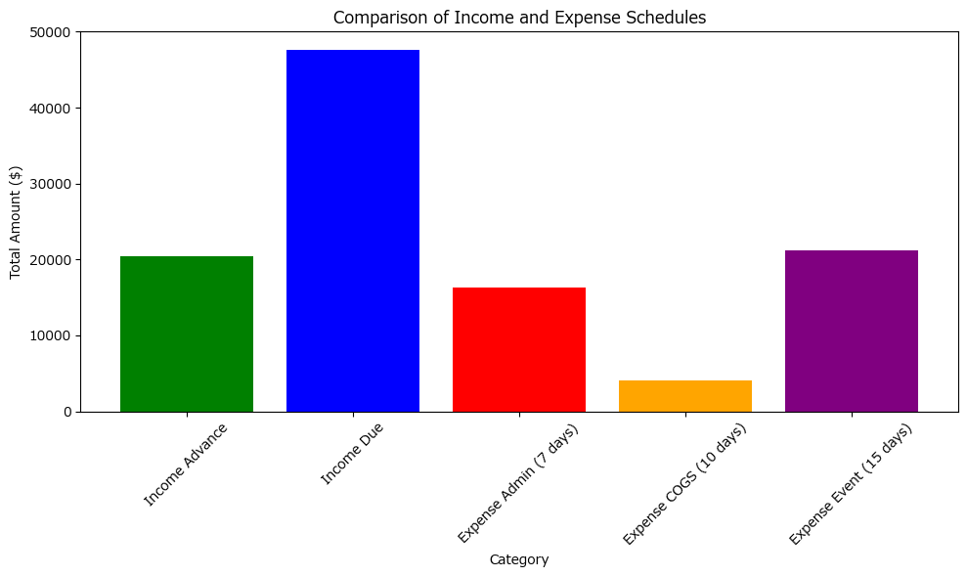

Bar chart for clubbed comparison of income and expenses

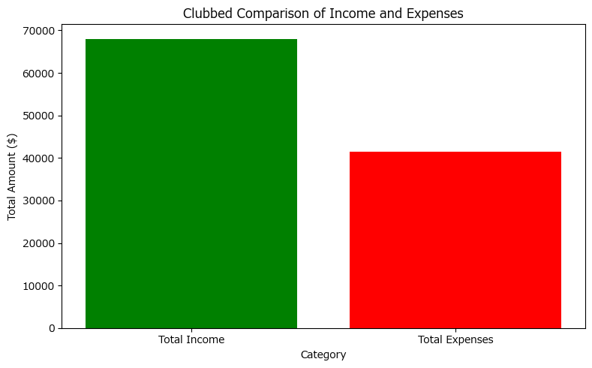

Stacked bar chart for income and expense subtypes

